Sheet1
Advanced connectivity multiple facilities , favourable conditions

Analysis will also being done by best faculties and placements ratio of University.

GEOGRAPHY | COUNTRY | REGION

Research and innovartion work,Patents owned is one distinct way to analyze data
ACADEMIC EXCELLENCE | FACULTY QUALIFICATION | STUDENT-TO-FACULTY RATIO | QUALITY OF EDUCATION RANK | ALUMNI PLACEMENTS

RESEARCH AND INNOVATION | PUBLICATION RANK | CITATION RANK | PATENTS RANK | INFLUENCE RANK
MECE BREAKDOWN OF UNIVERSITY SUCCESS ANALYSIS

GLOBAL RECOGNITION | INTERNATIONAL STUDENTS | TOTAL TIMES | ALUMNI
Tution fee etc..

FINANCIAL SUSTAINABILITY | INCOME

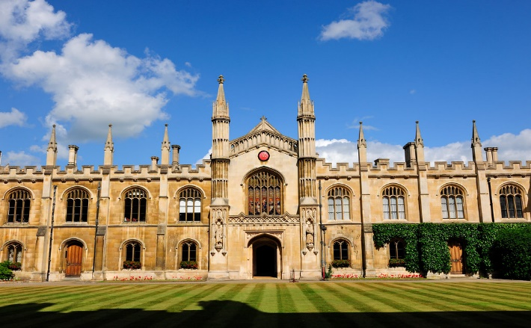
REPUTATION AND RECOGNITION | AWARD | HIGHLY CITED RESEARCHERS | NOBEL AND FIELDS MEDALS

RESEARCH OUTPUT | PUBLICATIONS | PATENTS AND CONFERENCE PAPERS

GLOBAL RANKINGS | TOTAL SHANGHAI | CWUR(Center For World University Ranking)

This Photo by Unknown Author is licensed under CC BY-ND

